Hiearchy View
CLASS: RECEIVER MONITOR
To check the quality or content of by means of a receiver. |  | 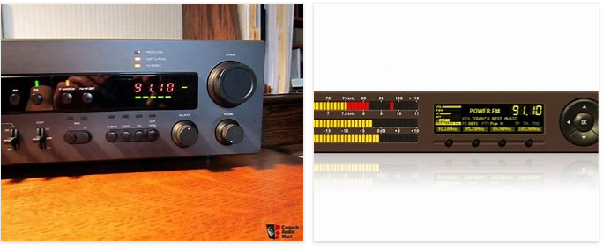
REMOVE | N

PROBLEM_DESC | CAUSE_DESC | REMEDY_DESC
ALARM/SENSOR
BROKEN/DAMAGED
OTHER PROBLEM
POWER-ELEC
STOPPED/SLOWED/POOR OPS
TEMP-CTRL
VIBRATION
Grand Total

